Exercise
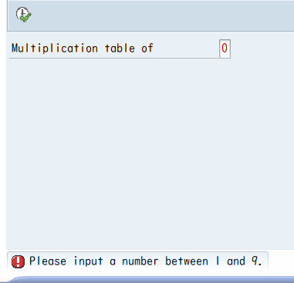
System : |  | S4J
Exercise 4: (3 points)
 | Program Name: |  | YXXX_D02_EX04
 | Target: |  | Create a String Concatenator
 |  |  |  | Data should be concatenated and separated by an Input Separator

 | Research Resource: |  | https://www.tutorialspoint.com/sap_abap/sap_abap_strings.htm
 |  |  | https://abapwiki.com/en/find/

 | Requirement: |  | 1. 5 input fields like below, accept any string
 |  |  |  | Full Name |  | (this field must be obiligatory)
 |  |  |  | Date of Birth
 |  |  |  | Gender
 |  |  |  | Address
 |  |  |  | Email
 |  |  | 2. One input "Separator", accept a character
 |  |  | 3. Concatenate those 5 data fields into 1 output string
 |  |  |  | Example 1:
 |  |  |  |  | Full Name |  | Nguyen Van A
 |  |  |  |  | Date of Birth |  | 20/08/1997
 |  |  |  |  | Gender |  | Male
 |  |  |  |  | Address |  | 3 Vo Chi Cong Q9
 |  |  |  |  | Email |  | ANV@Fsoft.com.vn
 |  |  |  |  | --------------------------------------------------------------
 |  |  |  |  | Separator |  | ','

 |  |  |  | Output
 |  |  |  |  | Nguyen Van A,20/08/1997,Male,3 Vo Chi Cong Q9,ANV@Fsoft.com.vn

 |  |  |  | Example 2:
 |  |  |  |  | Full Name |  | Nguyen Van A
 |  |  |  |  | Date of Birth |  | 20/08/1997
 |  |  |  |  | Gender |  | Male
 |  |  |  |  | Address |  | Number 3, Vo Chi Cong, Q9, HCM
 |  |  |  |  | Email |  | ANV@Fsoft.com.vn
 |  |  |  |  | --------------------------------------------------------------
 |  |  |  |  | Separator |  | ';'

 |  |  |  | Output
 |  |  |  |  | Nguyen Van A;20/08/1997;Male;Number 3, Vo Chi Cong, Q9, HCM;ANV@Fsoft.com.vn

 |  |  | 4. Advanced requirements: If any data field contains a character that is the same as Separator , please output error message
 |  |  | (Use FIND)

Exercise 5: (3 points)
 | Program Name: |  | YXXX_D02_EX05
 | Target: |  | Create String Replacer

 | Requirement:
 |  |  |  | Source String:

 |  |  |  | String to be Replaced: |  |  |  | (maximum 50 characters)

 |  |  |  | Replaced with: |  |  |  | (maximum 50 characters)

 |  |  | 1. Prepare a Selection Screen as above
 |  |  | 2. Output the result after replace all "String to be Replaced" with "Replaced with"
 |  |  | 3. Output success message

Exercise 6: (2 points)
 | Program Name: |  | YXXX_D02_EX06
 | Target: |  | Write an executable program that counts from 1 to N and for each multiple of 9,
 |  |  | write a line: "The number [number] is a multiple of 9".

 | Requirement: |  | 1. One input "Number N: ", accept any integer 0 < N < 1,000

Exercise 7: (2 points)
 | Program Name: |  | YXXX_D02_EX07
 | Target: |  | Print the Multiplication Table (Bảng Cửu Chương)

 | Requirement:
 |  | Selection Screen
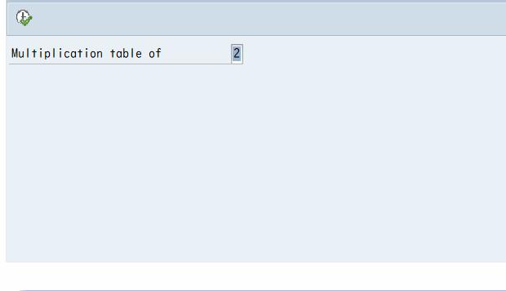


 |  | Report Screen
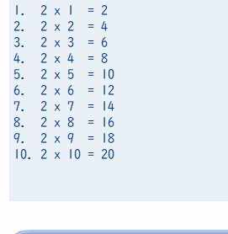
Incorrect Indentation

 |  | Error case:

Evidence
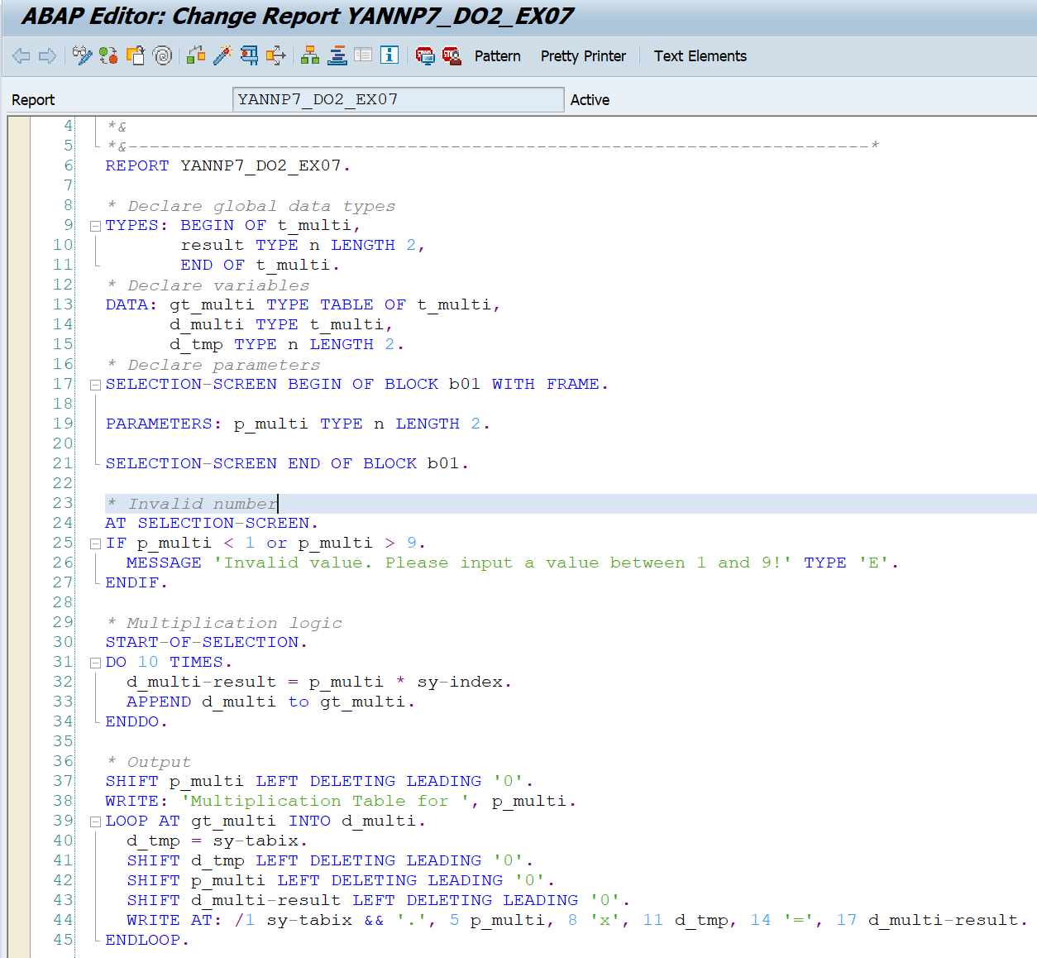

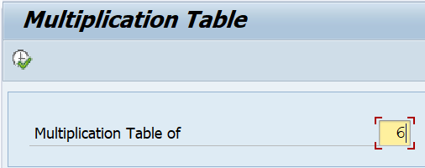
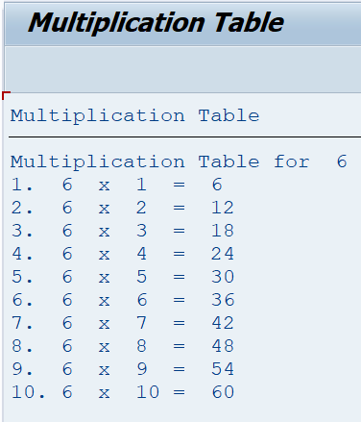
Exercise/Remarks | Screenshots

Exercise 4 | Program Name: | YANNP7_DO2_EX04
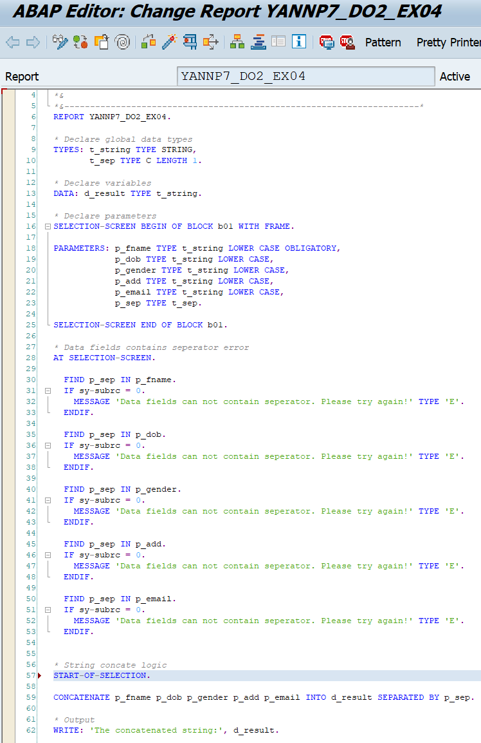

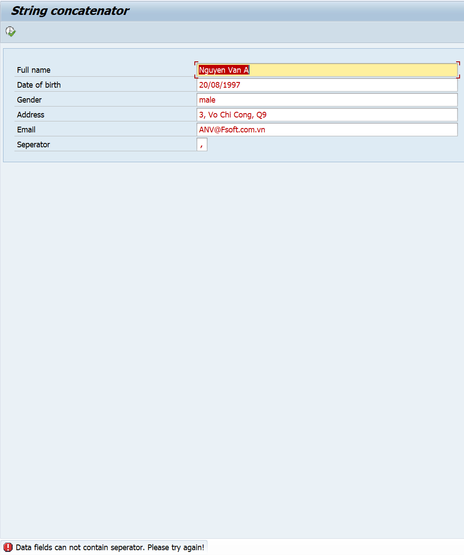
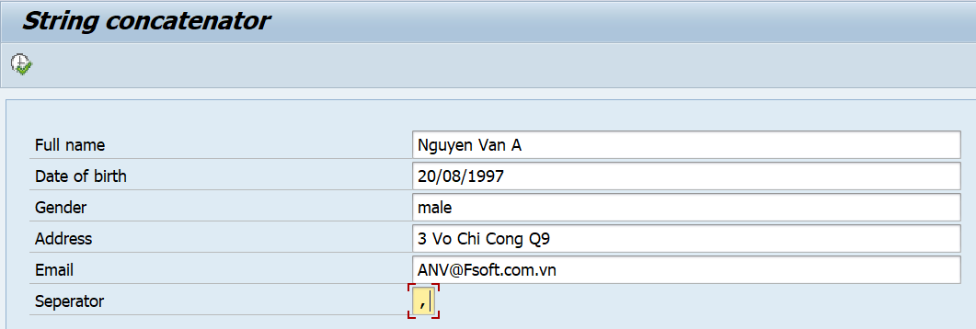

Exercise 5 | Program Name: | YANNP7_DO2_EX05

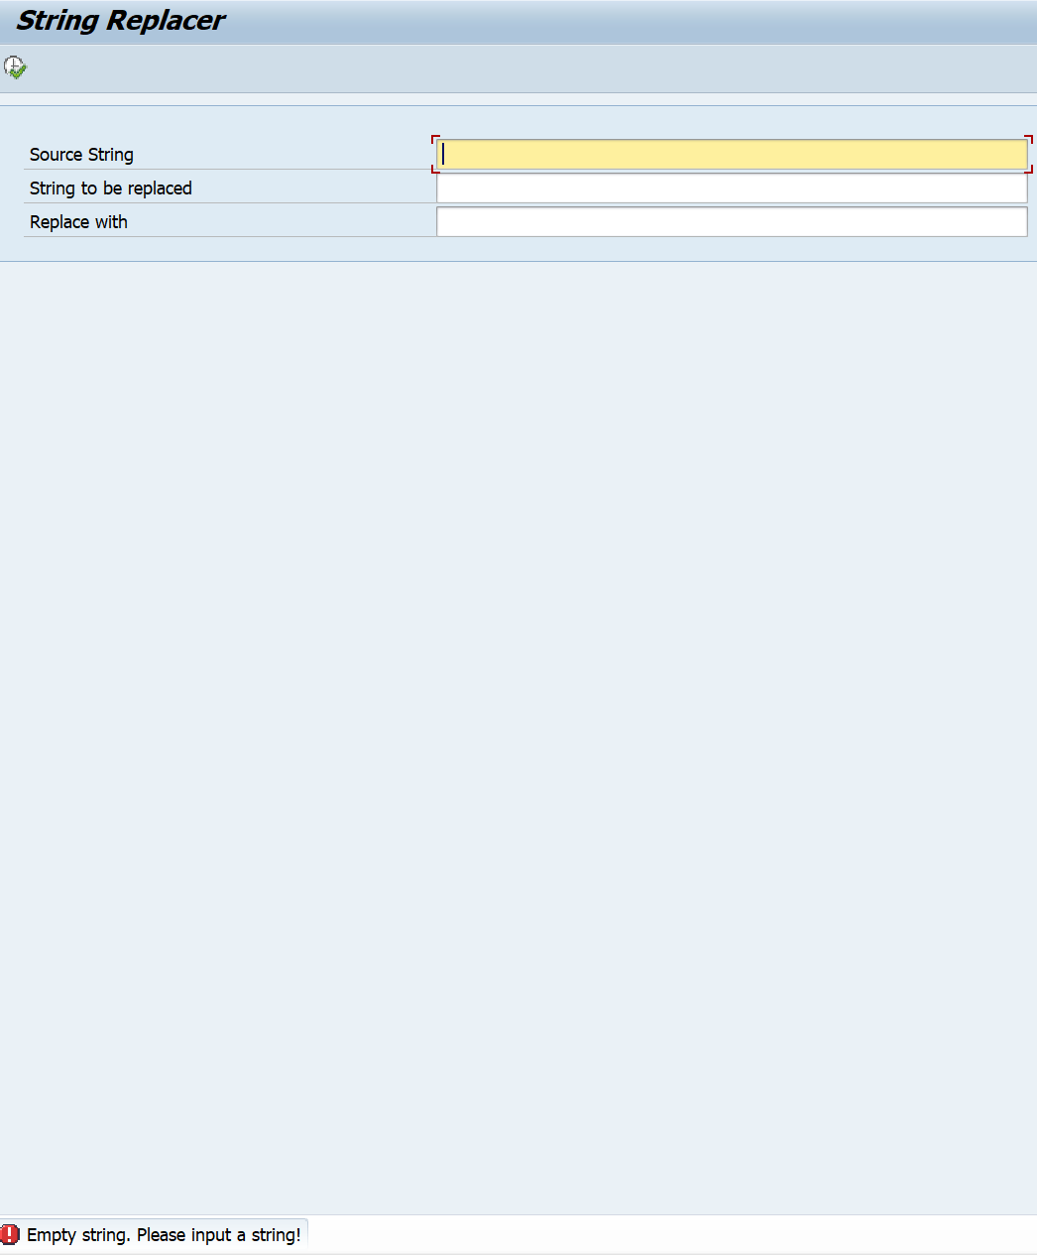
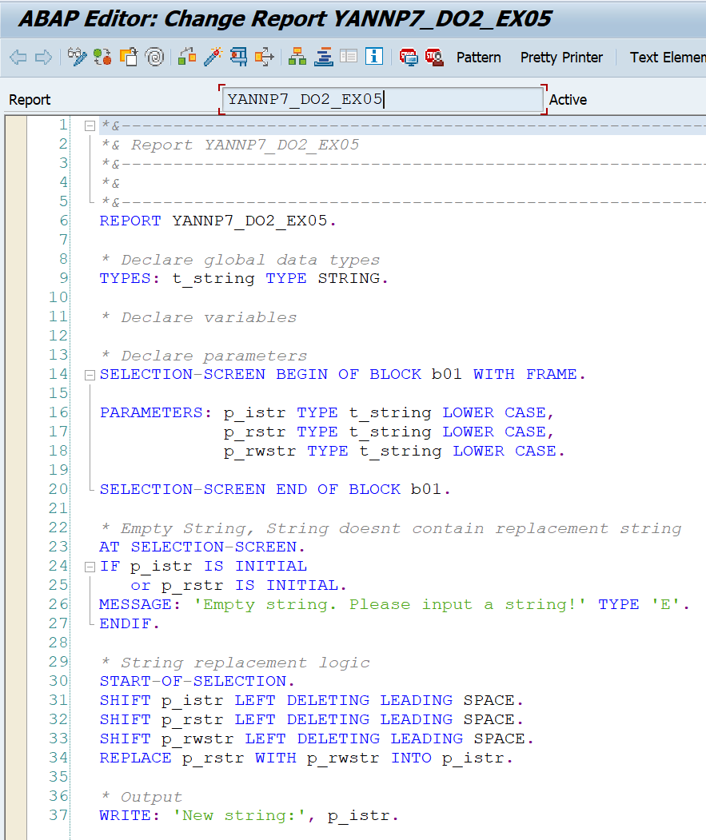

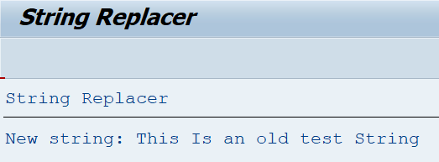

Exercise 6 | Program Name: | YANNP7_DO2_EX06
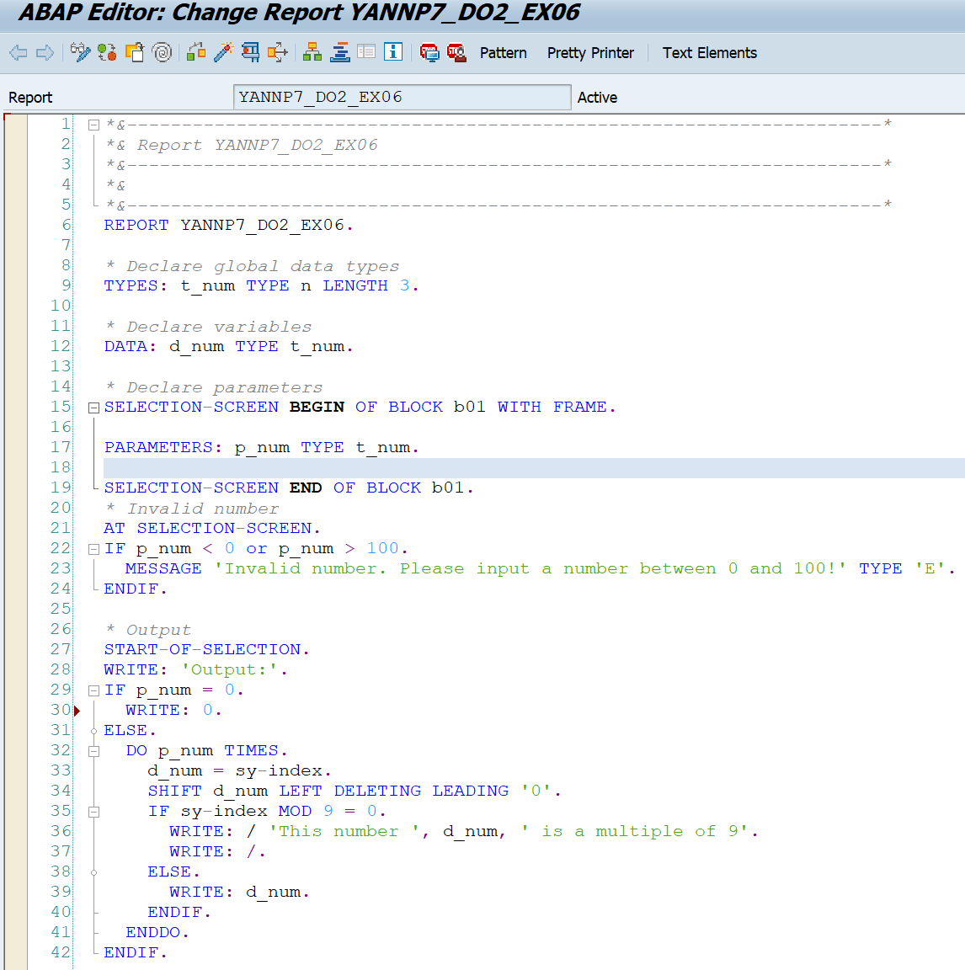
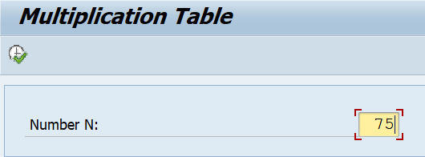


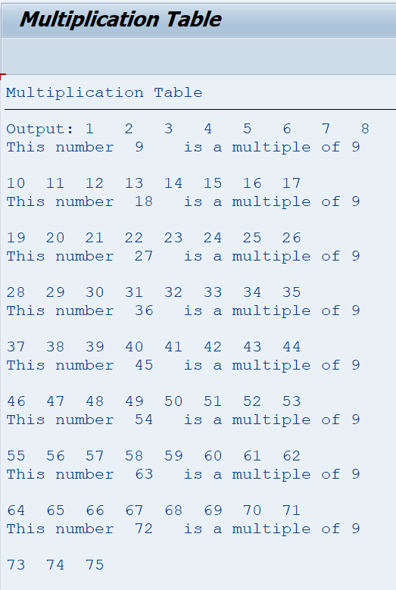

Exercise 7 | Program Name: | YANNP7_DO2_EX07

